Stretch Map
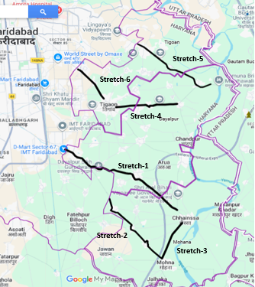
Stretch Map

